Sheet1
P(test positive | disease) sensitivity |  | 0.95 |  | P(disease | test positive) = ? |  | 0.16101694915
P(test negative | no disease) specificity |  | 0.95
P(disease) prevalence |  | 0.01

 |  |  |  |  | disease and test positive
 |  |  |  |  | 95
 |  |  | disease
 |  |  | 100
 |  |  |  |  | disease and test negative
 | tested group |  |  |  | 5
 | 10000
 |  |  |  |  |  |  | total test positive
 |  |  |  |  | no disease and test positive |  | 590
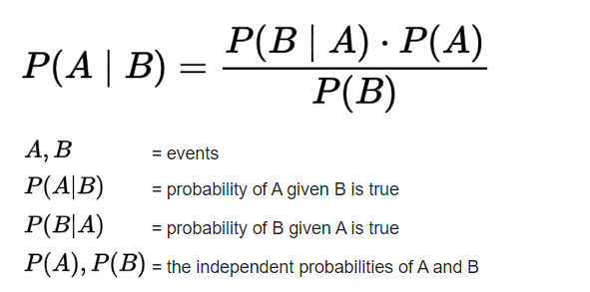
 |  |  | no disease |  | 495
 |  |  | 9900

 |  |  |  |  | no disease test negative
 |  |  |  |  | 9405

